GAMBAR
 |  |  |  |  | PT. PLN (PERSERO) UP3 DEMAK
Hasil Ukur Trafo 3 Ph 50 KVA ( X ) di MGN03-314/68/4B
 | X0 | X1 | X2 | X3 | Keterangan Gambar :
SIANG |  |  |  |  | No | Nama Material |  |  | Baru |  | Eksisting
s
s
MALAM |  |  |  |  | 1 | Tiang Beton
 |  |  |  |  | 2 | Tiang Besi
 |  |  |  |  | 3 | JTM 3 Fasa
MGN03-314/68/4B
1 CG 312-A 100 KVA
1 APP 105 KVA
1 CG313 160 KVA
3 CM2-11M
1 APP 164 KVA
2 C12-350 E
2 CC7
1 CC1-A
4 CCO 70-70
3 CM5-5
2 CM2-12
55 NYY 1X150 mm2
1 PIPA PVC 6”
4 BEUGEL BEVESTEGGING 6”
16 SEPATU KABEL CU-CU 150 mm2
1 PAPAN PERINGATAN
1 PENGHALANG PANJAT
4 KNEE PVC 6”
 |  |  |  |  | 4 | JTM 1 Fasa
 |  |  |  |  | 5 | JTR 1 Fasa Only / UB
 |  |  |  |  | 6 | JTR 3 Fasa Only / UB
 |  |  |  |  | 7 | Trafo 1 Fasa
 |  |  |  |  | 8 | Trafo 3 Fasa
 |  |  |  |  | 9 | Fuse Cut Out
APP
 |  |  |  |  | 10 | ABSW
 |  |  |  |  | 11 | Vang Net
 |  |  |  |  | 12 | Schoor
 |  |  |  |  | 13

 |  |  |  |  | Bongkar Pasang Konstruksi :
 |  |  |  |  | Pasang |  |  |  | Bongkar
 |  |  |  |  | CG313 |  | U | 1 | CG 312-A |  | U | 1
 |  |  |  |  | APP 164 KVA |  | U | 1 | APP 105 KVA |  | U | 1
A
 |  |  |  |  | CC1-A |  | U | 1
 |  |  |  |  | CC7 |  | U | 2
37 m
37 m
 |  |  |  |  | C12-350E |  | U | 2
 |  |  |  |  | CM5-5 |  | U | 3
 |  |  |  |  | CM2-12 |  | U | 2
 |  |  |  |  | NYY 1X150 mm2 |  | U | 55
 |  |  |  |  | PVC 6" |  | U | 1
 |  |  |  |  | BEUGEL BEVESTEGGING 6" |  | U | 4
APP
APP
 |  |  |  |  | SEPATU KABEL CU-CU 150 mm2 |  | U | 16
 |  |  |  |  | PAPAN PERINGATAN |  | U | 1
MGN03-314/68/4
1 FDG
1 C9-200E
 |  |  |  |  | PENGHALANG PANJAT |  | U | 1
s
s
 |  |  |  |  | KNEE PVC 6" |  | U | 2
 |  |  |  |  | FDG |  | U | 1
s
s

 |  |  |  |  | Keterangan Tambahan : -7.021231,110.656326

 |  |  |  |  | Golongan
 |  |  |  |  | No. Gambar |  | 1 |  |  | Lembar |  | dr
 |  |  |  |  | Gambar dari |  |  |  |  | Skala
 |  |  |  |  | Perihal:
 |  |  |  |  | LOSSO ABDUROCHMAN
 |  |  |  |  | DS PEPE TEGOWANU

 |  |  |  |  | Digambar |  | Staf Teknik
 |  |  |  |  | Diperiksa |  | TL. Teknik
 |  |  |  |  | Diketahui |  | Manager ULP
 |  |  |  |  | Disetujui |  | Man. Perencanaan

PETA
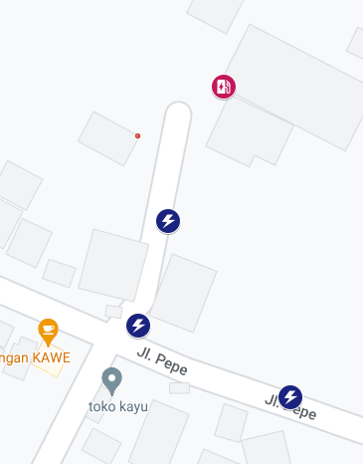
PETA LOKASI PELANGGAN

KOORDINAT LOKASI : -7.021231, 110.656326

